Vlookup 4
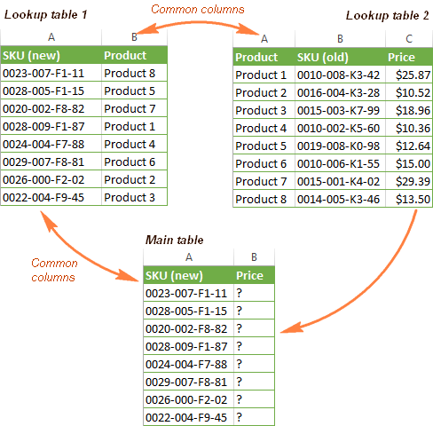

SKU(New) | Product |  | Product | SKU(Old) | Price
0023-007-F1-11 | Product 8 |  | Product 1 | 0010-008-K3-42 | $25.87
0028-005-F1-15 | Product 5 |  | Product 2 | 0016-004-K3-28 | $10.52
0020-002-F8-82 | Product 5 |  | Product 3 | 0015-003-K7-99 | $18.96
0028-009-F1-87 | Product 1 |  | Product 4 | 0010-002-K5-60 | $10.36
0024-004-F7-88 | Product 4 |  | Product 5 | 0019-008-K0-98 | $12.64
0029-007-F8-81 | Product 6 |  | Product 6 | 0010-006-K1-55 | $15.00
0026-000-F2-02 | Product 2 |  | Product 7 | 0015-001-K4-02 | $29.39
0022-004-F9-45 | Product 3 |  | Product 8 | 0014-005-K3-46 | $13.50

 | Q. find out Price on the basis of SKU new , see the example right side for ur refererence

 | SKU(New) | Price
 | 0023-007-F1-11
 | 0028-005-F1-15
 | 0020-002-F8-82
 | 0028-009-F1-87
 | 0024-004-F7-88
 | 0029-007-F8-81
 | 0026-000-F2-02
 | 0022-004-F9-45

